Sprint report
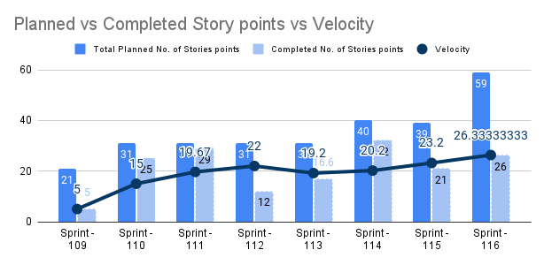
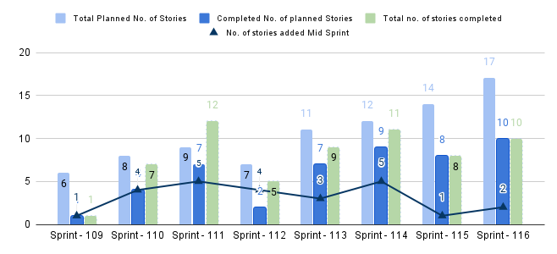
# | Sprint Name | Team | No. of stories from Previous Sprint | Planned No. of Stories | Total Planned No. of Stories | No. of stories added Mid Sprint | No. of Stories removed mid Sprint | Completed No. of Stories | No. of story points from Previous Sprint | Planned No. of Story points | Total Planned No. of Stories points | Completed No. of Stories points | Velocity | no. of bugs | % of completion Stories | % of completion Story Points | % of stories added mid sprint vs planned | Total
1 | Sprint - 109 | Team | 0 | 6 | 6 | 1 |  | 1 | 0 | 21 | 21 | 5 | 5.00 | 2.00 | 16.67% | 23.81% | 16.67% | 1
2 | Sprint - 110 | Team | 5 | 3 | 8 | 4 | 1 | 4 | 16 | 15 | 31 | 25 | 15.00 | 2.00 | 50.00% | 80.65% | 50.00% | 7
3 | Sprint - 111 | Team | 4 | 5 | 9 | 5 |  | 7 | 12 | 19 | 31 | 29 | 19.67 | 3.00 | 77.78% | 93.55% | 55.56% | 12
4 | Sprint - 112 | Team | 2 | 5 | 7 | 4 |  | 2 | 10 | 19 | 31 | 12 | 22.00 |  | 28.57% | 38.71% | 57.14% | 5
5 | Sprint - 113 | Team | 2 | 9 | 11 | 3 |  | 7 | 9 | 26 | 31 | 16.6 | 19.20 | 1.00 | 63.64% | 53.55% | 27.27% | 9
6 | Sprint - 114 | Team | 1 | 11 | 12 | 5 |  | 9 | 5 | 35 | 40 | 32 | 20.20 | 1.00 | 75.00% | 80.00% | 41.67% | 11
7 | Sprint - 115 | Team | 6 | 8 | 14 | 1 |  | 8 |  |  | 39 | 21 | 23.20 | 2 | 57.14% | 53.85% | 7.14% | 8
8 | Sprint - 116 | Team | 7 | 10 | 17 | 2 |  | 10 | 25 | 34 | 59 | 26 | 26.33 | 2 | 58.82% | 44.07% | 11.76% | 10

